Consent
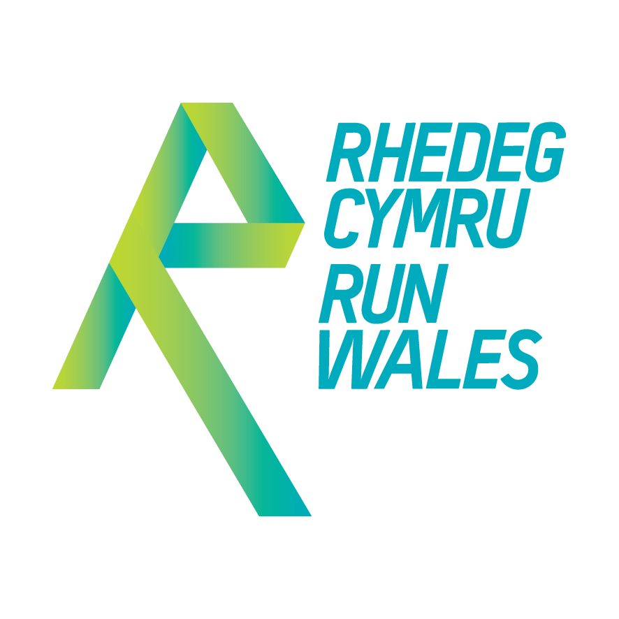
 | Run Wales Group Information Form
 | Please use this form to register your Social Running Group with the Run Wales programme and to provide information about your group for inclusion and promotion on the Run Wales website and by the Welsh Athletics and Run Wales teams at other marketing opportunities as appropriate.

Key contact for your Group (for Run Wales use only):
Key Contact Name: |  |  | Key Contact Email Address:
 |  |  | Key Contact Phone Number:

Group Name: |  |  |  | Date:

 | The Run Wales programme is underpinned by a network of amazing social running groups, offering the population of Wales a myriad of safe, fun and inclusive running opportunities whilst supporting people to run, jog and walk their way to a more active lifestyle.
Run Wales Group Criterion: | To ensure that we promote groups accurately and are confident that everyone attending official Run Wales groups will be treated fairly and respectfully, and that they can expect safe and supportive running opportunities, we remind all Group Leaders that by submitting this completed form, they confirm that their group complies with the criterion below:
 | 1 | Offer running based activities to people irrespective of their membership status of a UK Athletics affiliated running club.
 | 2 | Sessions can be free or offered for a fee, but must not be restricted by affiliation status.
 | 3 | Participation can be open to all or targeted to specific groups but must comply with anti-discrimination legislation.
 | 4 | Activities must be led by appropriately qualified Run Leaders or Coaches in line with the terms of their license, which includes holding a current DBS certificate, Safeguarding and First Aid qualification and adhering to the UKA Code of Conduct: Coaches.
 | 5 | Complete the Group Information Form to register your group and provide the information for inclusion on your dedicated webpage.
 | 6 | Endeavour to notify Run Wales of changes to the information contained in your Group Information Form and participate in the Annual Data Review to confirm accuracy of your entry.
Clwb Run Wales Partner Groups: | Clwb Run Wales Partners should be ‘gold standard’ groups, and as such, they should lead by example and be a role model for other Run Wales groups and new groups under development.
 |  | Clwb Run Wales Partners will meet points 1-6 as above, but we also expect these flagship groups to actively promote and encourage participation in all relevant Run Wales campaigns and events, and encourage members to join Clwb Run Wales.

Please enter your initials here to confirm that your group meets with the Run Wales Group Criterion:

Group Information: | Please complete the Group Information sheet with the general information about your group.
Weekly Activities: | Please complete the Weekly Activities sheet with details of your regular, weekly activities.
Volunteers: | If you would like to introduce your Volunteer Team on your page, please complete the Volunteers sheet.

Group Logo: | If you have a logo, please email it to us in .jpeg or .png format.
Group Photo: | Please email one image to represent your group on the page.

 | Please click the icon to return this completed form and all appropriate images to: irun@runwales.org.uk
 | By returning this form you confirm that the details you have provided are true and accurate at the time of collection and that your group complies with the minimum criteria listed above.

 | Please contact us if the information contained in this document changes over time and requires updating. To continue promoting your group's details, Run Wales will require confirmation of the accuracy of this data on an annual basis so please ensure the contact details are kept current.

 | If you are sending us images for promotional use, please ensure that you have rights and permission to distribute the photos and give Run Wales the right to use those images.

